Sheet1
Marketing Campaign

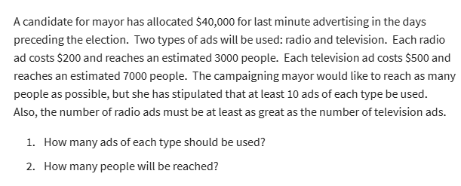
 | No. of radio ads | No of tv ads
Variables | 175 | 10
 | 3000 | 7000 | coeff for objective

Objective(max)
No of peope reached | 595000

Constraint table:
 |  |  | LHS | sign | RHS
Budget | 200 | 500 | $40,000 | <= | $40,000
At least 10 radio ads | 1 |  | 175 | >= | 10
At least 10 tv ads |  | 1 | 10 | >= | 10
Radio >= Tv | 1 | -1 | 165 | >= | 0

1. 175 ads of radio and 10 ads of Tv should be used for reaching maximum people .
2. We will reach 595,000 people by running 175 radio ads and 10 tv ads.

